Repository title page
 | HARD-TO-REACH ABC/mBC COMMUNITIES TOOLKIT
 | Initiative Repository

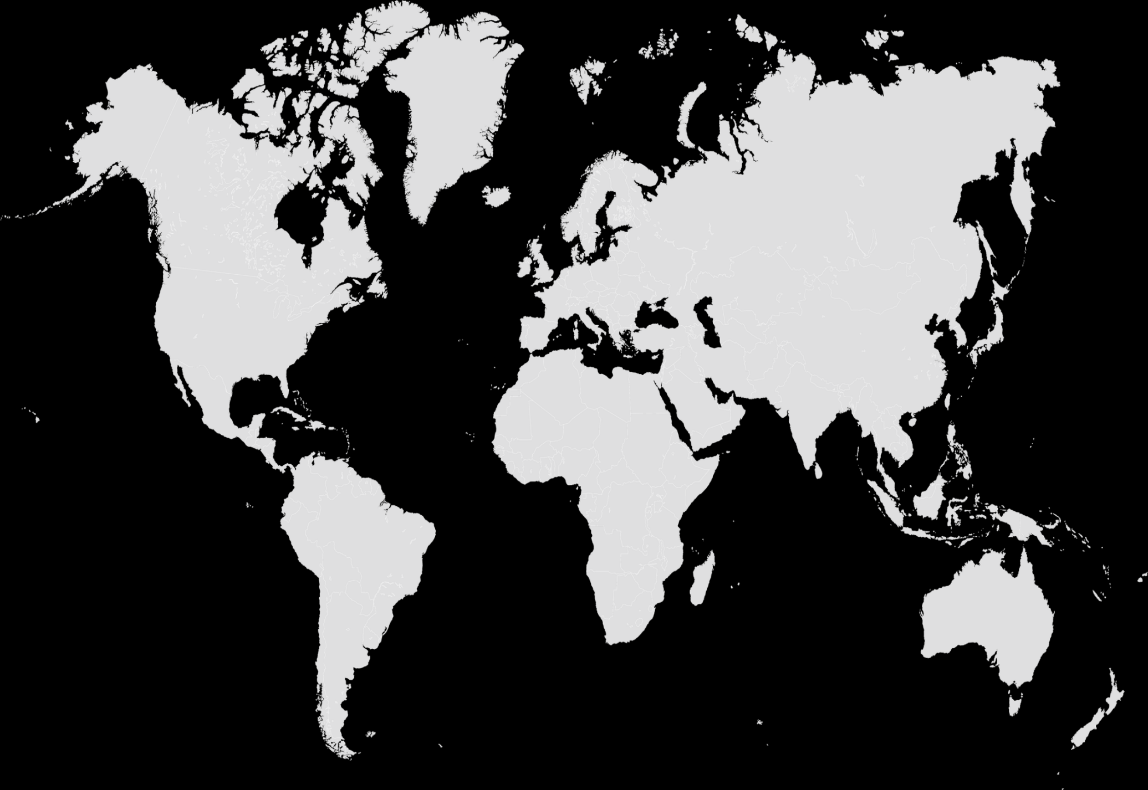
 | The Hard-to-Reach ABC/mBC Communities Toolkit has been developed by The ABC Global Alliance and Pfizer to drive collaboration across the global advanced breast cancer (ABC) community, and improve access to care for hard-to-reach populations, by forming a resource tank of key initiatives and best practice case studies. The initiatives included in this repository have been submitted from across the globe and address at least one of the 12 hard-to-reach populations outlined below:
 | Ethnic, religious, indegenous/native populations and/or other historically marginalised groups

 | Low income patients

 | Patients a long distance from a specialist centre

 | Older patients

 | Low health knowledge patients

 | Patients with uncontrolled comorbidities

 | Younger patients

 | Mental health patients

 | Patients who lack an adequate caregiver or support system

 | Men

 | LGBTQ+ patients

 | Patients who mistrust conventional treatments

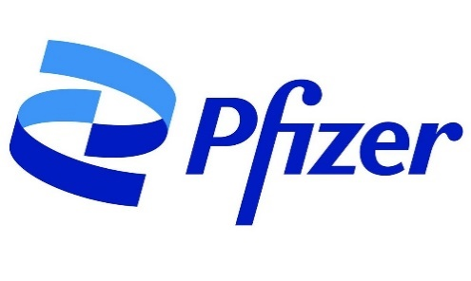
The Hard-to-Reach ABC/mBC Communities Toolkit was developed as a collaboration between Pfizer Oncology and the ABC Global Alliance, with funding and support provided by Pfizer. ABC Global Alliance members and Pfizer colleagues were invited to submit breast cancer community-based initiatives that address specific needs of underserved patient populations with advanced/metastatic breast cancer. Initiatives were evaluated against criteria determined by a steering committee with members from both Pfizer and the ABC Global Alliance. Initiatives were selected for inclusion in the toolkit to highlight best practices in addressing the unique needs of this patient population. All organizations who submitted their initiatives for consideration have provided permission for the initiative information to be included in the toolkit and shared publicly. Pfizer and the ABC Global Alliance bear no responsibility for third-party initiatives described within the toolkit.

